Descargas de la APP
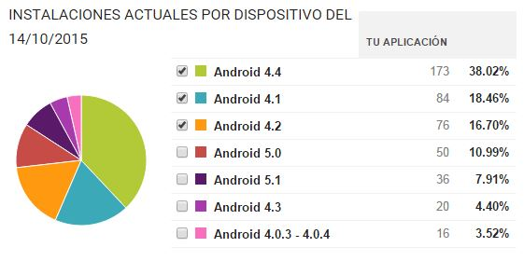

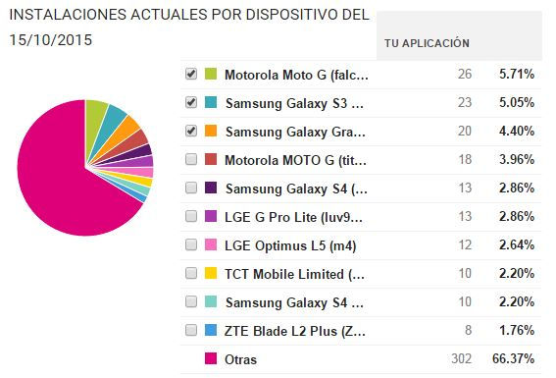

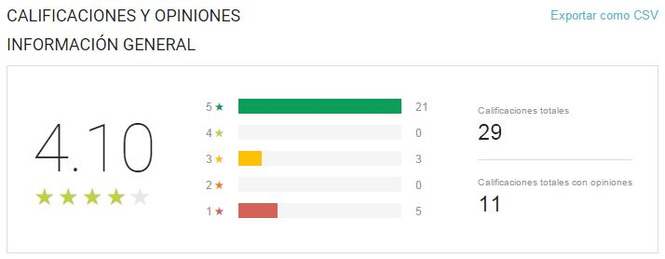

Usuarios
 | Total
Hombre | 14
Mujer | 4
Hombre | 22
Mujer | 8
Hombre | 13
Mujer | 1
Hombre | 15
Mujer | 2
Hombre | 7
Mujer | 3
Etiquetas de fila | Suma de Usuarios | 2015-10-09 | 9 | 10
< 18
Hombre | 14
Mujer | 4
18-25
Hombre | 22
Mujer | 8
31-40
Hombre | 13
Mujer | 1
26-30
Hombre | 15
Mujer | 2
> 40
Hombre | 7
Mujer | 3
Total general | 89

Total de conexiones
Row Labels | Cuenta de Usuario
04 | 173
05 | 45
06 | 53
07 | 93
08 | 117
09 | 70
10 | 71
11 | 66
12 | 86
13 | 103
14 | 52
15 | 69
16 | 71
17 | 69
18 | 78
19 | 121
20 | 118
21 | 167
22 | 197
23 | 179
Grand Total | 1998

Paginas mas visitadas
Interes | Visitas
ssdk.adkmob.com | 263
infoc2.duba.net | 200
i.instagram.com | 200
profile.adkmob.com | 195
urlauth.ksmobile.net | 152
locker.data.ksmobile.net | 105
www.telcel.com | 62
cdn.skum.eamobile.com | 47
www.baidu.com | 36
getmailcounter.com | 34

